Project1271
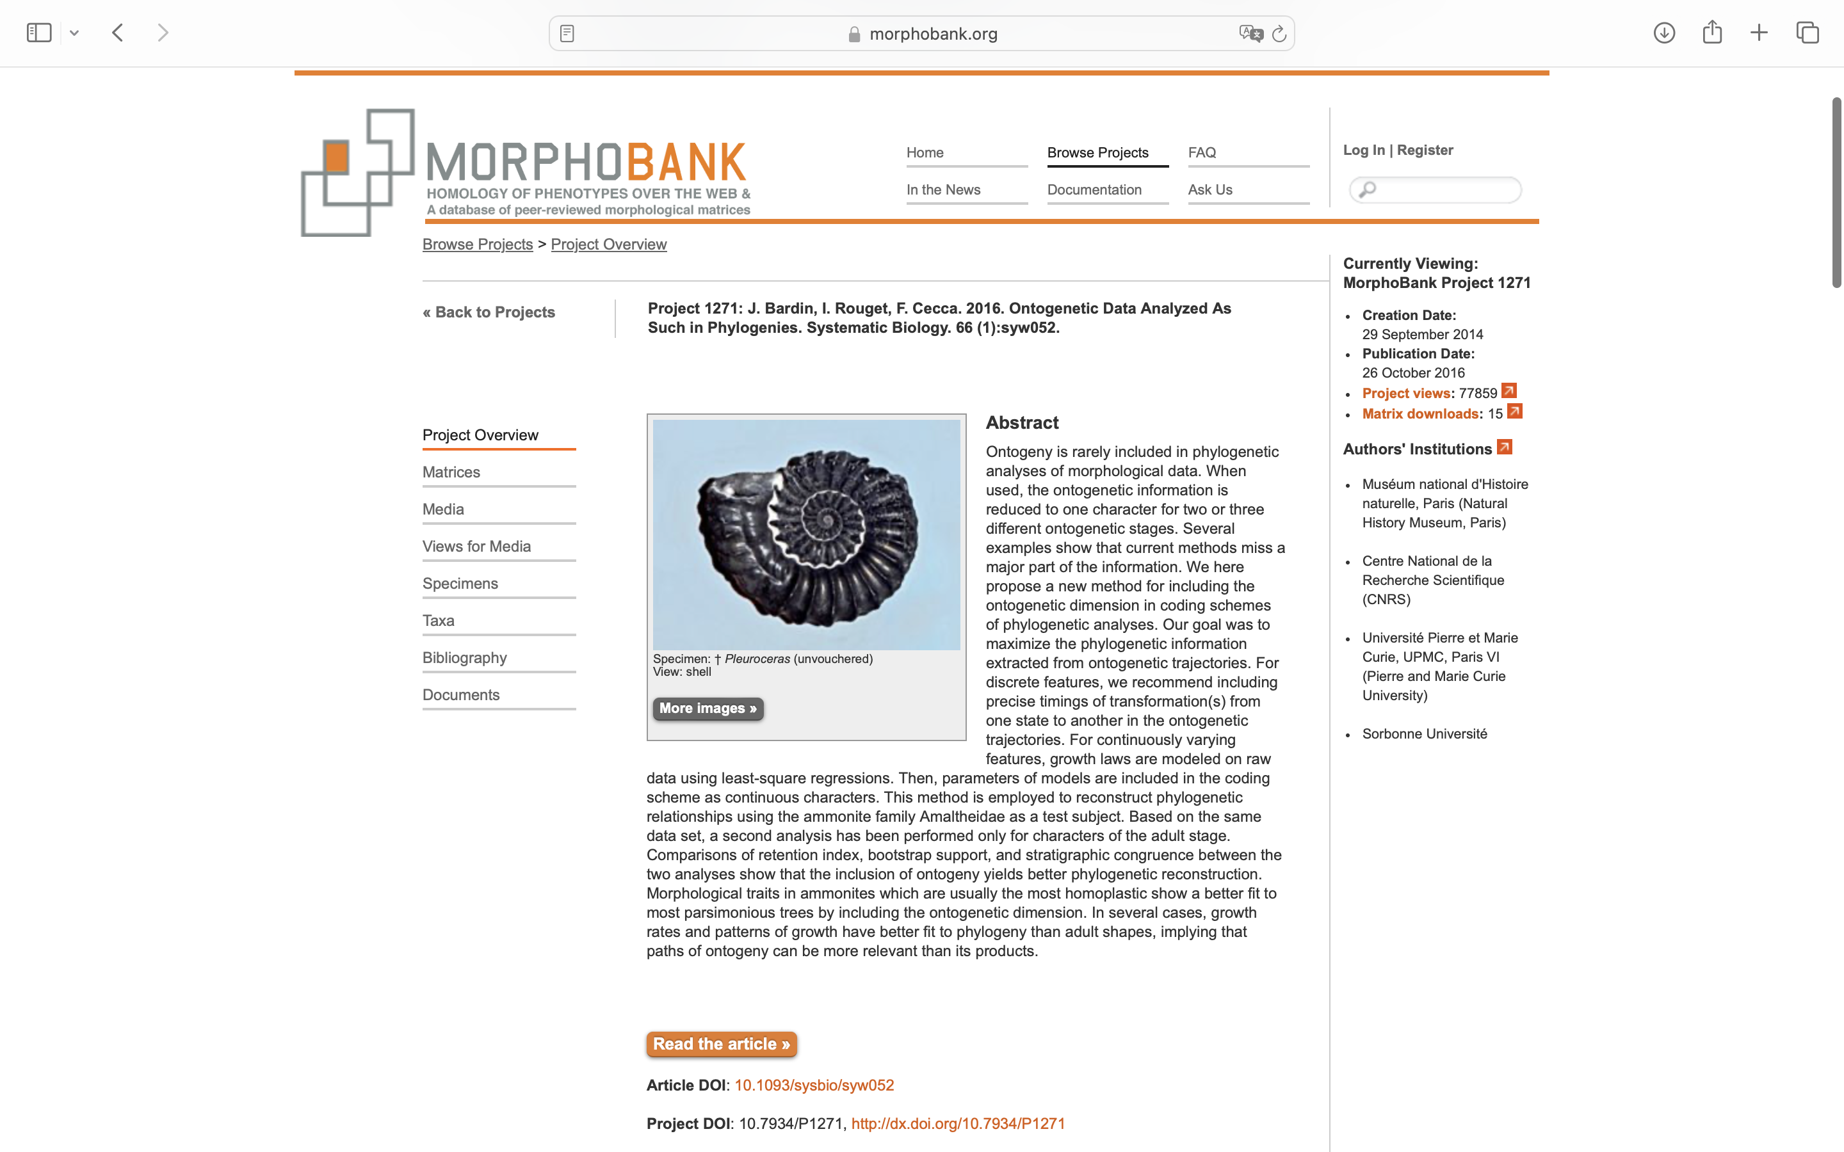
Charlabels | Character Pattern | Unseen States
[1] 'Type of shape growth' | Transformational | YES
[2] 'Slope of Uw' | NT2;0=0-;1=11;2=12
[3] 'Uw sigma1' | Transformational | YES
[4] 'Uw k (saturation growth law)' | Transformational | YES
[5] 'Uw k (linear growth)' | Transformational | YES
[6] 'WbWh sigma1' | Transformational | YES
[7] 'WbWh K (saturation growth law)' | Transformational | YES
[8] 'WbWh K (linear growth)' | Transformational | YES
[9] 'Size adult maximum' | Transformational | YES
[10] 'Ventro-lateral edge on adult body chamber' | Neomorphic | NO
[11] 'Ventro-lateral edge on phragmocone' | Neomorphic | NO
[12] 'Rounded venral area' | Neomorphic | NO
[13] 'Sulci' | NT?;0=0-;1=11;2=12
[14] 'Ribbing density sigma1' | Transformational | YES
[15] 'Ribbing density K' | Transformational | YES
[16] 'Perlatum stage' | Neomorphic | NO
[17] 'Perlatum stage offset' | Transformational | YES
[18] 'Complex Perlatum stage ' | Neomorphic | NO
[19] 'Type of tubercles in the complex Perlatum stage' | Transformational | YES
[20] 'Expression of the complex Perlatum stage' | Transformational | YES
[21] 'Engelhardti stage' | Neomorphic | NO
[22] 'Length of Engelhardti stage' | Transformational | YES
[23] 'Spiral ornamentation' | Neomorphic | NO
[24] 'Connection between chevrons and ribs' | Neomorphic | NO
[25] 'angle between umbilical and ventral segments of ribs.' | Transformational | YES
[26] 'Large chevrons' | Neomorphic | NO
[27] 'Chevrons density' | Transformational | YES
[28] 'Individualized keel' | Neomorphic | NO
[29] 'Keel with chevrons' | Neomorphic | NO
[30] 'Cordated keel ' | Neomorphic | NO
[31] 'Accessory saddle' | Neomorphic | NO
[32] 'Complexity of the suture line ornamentation' | Transformational | YES
[33] 'Constrictions' | Neomorphic | NO

